Tabelle1
LEVI'S Jeansrock high rise A-line
Artikelnr: A93160002
RRP: 84,95 €

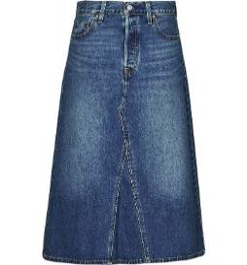
 |  | width
 | length | 23 | 24 | 25 | 26 | 27 | 28 | 29 | 30 | 31 | 32 | qty
 | 30 | 10 | 50 | 24 |  | 23 | 61 | 39 | 64 | 53 | 75 | 399

LEVI'S wedgie bootcut jeans
Artikelnr: A60810012
RRP: 119,95 €
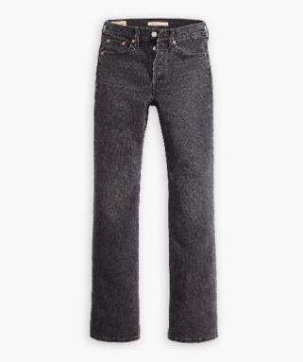
 |  | width
 | length | 23 | 24 | 25 | 26 | 27 | 28 | 29 | 30 | 31 | 32 | qty
 | 30 | 0 | 0 | 25 | 25 | 23 | 24 | 17 | 7 | 0 | 0 | 121
 | 32 | 0 | 20 | 19 | 20 | 20 | 16 | 25 | 16 | 12 | 0 | 148
 |  |  |  |  |  |  |  |  |  |  |  | 269

Dockers Ultimate Chino Slim Fit
Color: Stratified Sea Blue
Artikelnr: 794880235
RRP: 114,00 €

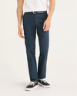
 |  | width
 | length | 28 | 29 | 30 | 31 | 32 | 33 | 34 | 36 | 38 | 40 | qty
 | 30 | 0 | 0 | 0 | 0 | 16 | 16 | 21 | 18 | 0 | 0 | 71
 | 32 | 23 | 25 | 15 | 11 | 12 | 22 | 23 | 23 | 22 | 0 | 176
 | 34 | 0 | 0 | 0 | 0 | 0 | 31 | 21 | 21 | 21 | 18 | 112
 |  |  |  |  |  |  |  |  |  |  |  | 359

Dockers Ultimate Chino Slim Fit
Color: Harvest Gold Brown
Artikelnr: 794880238
RRP: 114,00 €
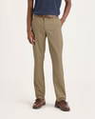
 |  | width
 | length | 28 | 29 | 30 | 31 | 32 | 33 | 34 | 36 | 38 | 40 | qty
 | 30 | 0 | 0 | 0 | 0 | 19 | 19 | 25 | 24 | 0 | 0 | 87
 | 32 | 24 | 43 | 15 | 21 | 11 | 21 | 22 | 22 | 25 | 0 | 204
 | 34 | 0 | 0 | 0 | 1 | 12 | 34 | 25 | 24 | 24 | 18 | 138
 |  |  |  |  |  |  |  |  |  |  |  | 429

Dockers Ultimate Chino Slim Fit
Color: Dusty Yellow
Artikelnr: 794880234
RRP: 114,00 €

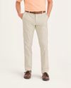
 |  | width
 | length | 28 | 29 | 30 | 31 | 32 | 33 | 34 | 36 | 38 | 40 | qty
 | 30 | 0 | 0 | 0 | 0 | 6 | 24 | 25 | 17 | 0 | 0 | 72
 | 32 | 31 | 52 | 25 | 25 | 27 | 27 | 17 | 15 | 14 | 0 | 233
 | 34 | 0 | 0 | 0 | 1 | 0 | 33 | 18 | 24 | 33 | 30 | 139
 |  |  |  |  |  |  |  |  |  |  |  | 444

Dockers Ultimate Chino Slim Fit
Color: Parkfied Buttercream Crown Blue Green
Artikelnr: 794880236
RRP: 114,00 €
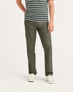
 |  | width
 | length | 28 | 29 | 30 | 31 | 32 | 33 | 34 | 36 | 38 | 40 | qty
 | 30 | 0 | 0 | 0 | 0 | 16 | 30 | 30 | 34 | 0 | 0 | 110
 | 32 | 25 | 40 | 29 | 17 | 42 | 21 | 21 | 21 | 30 | 0 | 246
 | 34 | 0 | 0 | 0 | 0 | 0 | 32 | 34 | 39 | 45 | 28 | 178
 |  |  |  |  |  |  |  |  |  |  |  | 534

Dockers Comfort Knit Shino Skinny Fit
Color: True Chino Beige
Artikelnr: A42640000
RRP: 130,00 €

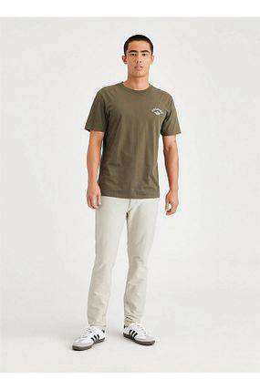
 |  | width
 | length | 28 | 29 | 30 | 31 | 32 | 33 | 34 | 36 | 38 | 40 | 42 | qty
 | 30 | 0 | 59 | 62 | 46 | 87 | 81 | 42 | 0 | 0 | 0 | 0 | 377
 | 32 | 33 | 10 | 26 | 36 | 45 | 129 | 135 | 132 | 21 | 0 | 0 | 567
 | 34 | 0 | 0 | 1 | 1 | 18 | 23 | 9 | 12 | 8 | 1 | 0 | 73
 | 36 | 0 | 0 | 0 | 0 | 0 | 19 | 20 | 22 | 0 | 0 | 0 | 61
 |  |  |  |  |  |  |  |  |  |  |  |  | 1,078

Dockers Comfort Knit Shino Skinny Fit
Color: Olive Green
Artikelnr: A42640016
RRP: 130,00 €
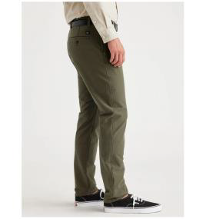

 |  | width
 | length | 28 | 29 | 30 | 31 | 32 | 33 | 34 | 36 | 38 | 40 | 42 | qty
 | 32 | 25 | 56 | 101 | 158 | 175 | 178 | 200 | 166 | 69 | 0 | 0 | 1128
 | 34 | 0 | 0 | 34 | 46 | 55 | 62 | 39 | 45 | 38 | 0 | 0 | 319
 |  |  |  |  |  |  |  |  |  |  |  |  | 1,447

Dockers Comfort Knit Shino Skinny Fit
Color: Steelhead Grey
Artikelnr: A42640001
RRP: 130,00 €
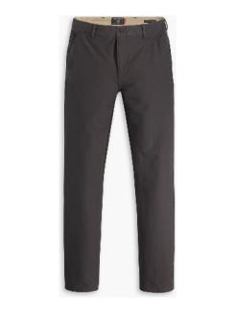

 |  | width
 | length | 28 | 29 | 30 | 31 | 32 | 33 | 34 | 36 | 38 | 40 | 42 | qty
 | 30 | 0 | 57 | 31 | 17 | 46 | 28 | 40 | 0 | 0 | 0 | 0 | 219
 | 32 | 12 | 68 | 137 | 154 | 163 | 87 | 204 | 134 | 62 | 0 | 0 | 1021
 | 34 | 0 | 0 | 48 | 68 | 36 | 46 | 17 | 34 | 14 | 0 | 0 | 263
 | 36 | 0 | 0 | 0 | 0 | 0 | 44 | 50 | 37 | 0 | 0 | 0 | 131
 |  |  |  |  |  |  |  |  |  |  |  |  | 1,634

Dockers Workday Khaki Pants Slim Fit
Color: Dark Pebble Khaki
Artikelnr: 362720002
RRP: 120,00 €
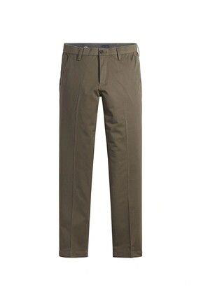

 |  | width
 | length | 28 | 29 | 30 | 31 | 32 | 33 | 34 | 36 | 38 | 40 | 42 | qty
 | 30 | 0 | 10 | 50 | 72 | 122 | 85 | 122 | 79 | 22 | 0 | 0 | 562
 | 32 | 20 | 60 | 55 | 60 | 123 | 65 | 140 | 79 | 73 | 7 | 0 | 682
 | 34 | 0 | 0 | 0 | 17 | 0 | 20 | 33 | 37 | 22 | 28 | 28 | 185
 | 36 | 0 | 0 | 0 | 0 | 0 | 11 | 31 | 25 | 0 | 0 | 0 | 67
 |  |  |  |  |  |  |  |  |  |  |  |  | 1,496

Dockers Premium Original Chino Slim Fit
Color: Harvest Gold Beige
Artikelnr: A48620000
RRP: 90,00 €
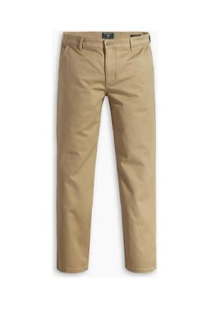
 |  | width
 | length | 28 | 29 | 30 | 31 | 32 | 33 | 34 | 36 | 38 | 40 | 42 | qty
 | 30 | 0 | 0 | 75 | 58 | 91 | 49 | 76 | 54 | 8 | 0 | 0 | 411
 | 32 | 40 | 55 | 124 | 160 | 255 | 180 | 210 | 163 | 63 | 10 | 0 | 1260
 | 34 | 0 | 0 | 33 | 60 | 97 | 93 | 132 | 62 | 74 | 46 | 18 | 615
 | 36 | 0 | 0 | 0 | 0 | 0 | 21 | 30 | 36 | 0 | 0 | 0 | 87
 |  |  |  |  |  |  |  |  |  |  |  |  | 2,373

Dockers Premium Original Chino Slim Fit
Color: Tea Leaf Green
Artikelnr: A48620035
RRP: 90,00 €
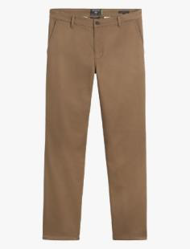
 |  | width
 | length | 28 | 29 | 30 | 31 | 32 | 33 | 34 | 36 | 38 | 40 | 42 | qty
 | 30 | 0 | 0 | 0 | 0 | 21 | 23 | 22 | 15 | 0 | 0 | 0 | 81
 | 32 | 43 | 79 | 80 | 82 | 81 | 83 | 72 | 83 | 82 | 0 | 0 | 685
 | 34 | 0 | 0 | 0 | 61 | 80 | 80 | 78 | 81 | 81 | 69 | 0 | 530
 |  |  |  |  |  |  |  |  |  |  |  |  | 1,296

Dockers Premium Original Chino Slim Fit
Color: Moonstruck Grey
Artikelnr: A48620039
RRP: 90,00 €
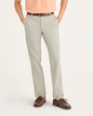
 |  | width
 | length | 28 | 29 | 30 | 31 | 32 | 33 | 34 | 36 | 38 | 40 | 42 | qty
 | 30 | 0 | 0 | 0 | 0 | 27 | 27 | 26 | 18 | 0 | 0 | 0 | 98
 | 32 | 44 | 62 | 65 | 64 | 65 | 65 | 75 | 65 | 65 | 0 | 0 | 570
 | 34 | 0 | 0 | 0 | 61 | 65 | 63 | 64 | 65 | 65 | 63 | 0 | 446
 |  |  |  |  |  |  |  |  |  |  |  |  | 1,114

Dockers Comfort Knit Shino Slim Fit
Color: True Chino Beige
Artikelnr: A14190000
RRP: 130,00 €
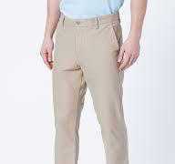
 |  | width
 | length | 28 | 29 | 30 | 31 | 32 | 33 | 34 | 36 | 38 | 40 | 42 | qty
 | 30 | 0 | 19 | 17 | 44 | 47 | 89 | 54 | 37 | 36 | 0 | 0 | 343
 | 32 | 11 | 40 | 78 | 67 | 154 | 91 | 172 | 107 | 69 | 24 | 0 | 813
 | 34 | 0 | 0 | 11 | 21 | 58 | 56 | 60 | 66 | 31 | 29 | 21 | 353
 | 36 | 0 | 0 | 0 | 0 | 0 | 0 | 9 | 12 | 0 | 0 | 0 | 21
 |  |  |  |  |  |  |  |  |  |  |  |  | 1,530

 |  |  |  |  |  |  |  | TOTAL QUANTITY |  |  | 14,402

 |  |  |  |  |  |  |  | TOTAL RRP |  |  | 1,617,045.60 €

